Figure 1
Figure 1: Metropolitan Rent Index and Regional Rent Index - annual percent change | Contents page | Data source

 | Metropolitan Rent Index (MRI) | Regional Rental Index (RRI) | Long term average MRI | Long term average RRI
Mar-2011 | 3.9% | 6.6% | 1.7% | 3.2%
Jun-2011 | 4.4% | 4.7% | 1.7% | 3.2%
Sep-2011 | 4.2% | 6.0% | 1.7% | 3.2%
Dec-2011 | 2.9% | 5.0% | 1.7% | 3.2%
Mar-2012 | 3.0% | 4.6% | 1.7% | 3.2%
Jun-2012 | 1.6% | 2.9% | 1.7% | 3.2%
Sep-2012 | 0.2% | 1.9% | 1.7% | 3.2%
Dec-2012 | 0.5% | 1.5% | 1.7% | 3.2%
Mar-2013 | 1.3% | 0.8% | 1.7% | 3.2%
Jun-2013 | 1.6% | 1.2% | 1.7% | 3.2%
Sep-2013 | 2.1% | 1.8% | 1.7% | 3.2%
Dec-2013 | 2.4% | 2.0% | 1.7% | 3.2%
Mar-2014 | 1.8% | 1.7% | 1.7% | 3.2%
Jun-2014 | 1.6% | 3.7% | 1.7% | 3.2%
Sep-2014 | 2.4% | 2.4% | 1.7% | 3.2%
Dec-2014 | 1.9% | 1.2% | 1.7% | 3.2%
Mar-2015 | 2.1% | 2.2% | 1.7% | 3.2%
Jun-2015 | 2.3% | 0.9% | 1.7% | 3.2%
Sep-2015 | 2.8% | 2.8% | 1.7% | 3.2%
Dec-2015 | 3.0% | 2.9% | 1.7% | 3.2%
Mar-2016 | 3.3% | 2.3% | 1.7% | 3.2%
Jun-2016 | 3.6% | 2.4% | 1.7% | 3.2%
Sep-2016 | 3.6% | 1.7% | 1.7% | 3.2%
Dec-2016 | 3.8% | 2.8% | 1.7% | 3.2%
Mar-2017 | 3.8% | 2.1% | 1.7% | 3.2%
Jun-2017 | 4.2% | 3.0% | 1.7% | 3.2%
Sep-2017 | 3.5% | 3.0% | 1.7% | 3.2%
Dec-2017 | 4.5% | 2.6% | 1.7% | 3.2%
Mar-2018 | 4.2% | 3.2% | 1.7% | 3.2%
Jun-2018 | 2.9% | 3.2% | 1.7% | 3.2%
Sep-2018 | 3.2% | 3.7% | 1.7% | 3.2%
Dec-2018 | 2.0% | 5.3% | 1.7% | 3.2%
Mar-2019 | 1.8% | 5.6% | 1.7% | 3.2%
Jun-2019 | 1.8% | 5.4% | 1.7% | 3.2%
Sep-2019 | 0.9% | 5.2% | 1.7% | 3.2%
Dec-2019 | 1.3% | 3.9% | 1.7% | 3.2%
Mar-2020 | 1.5% | 3.6% | 1.7% | 3.2%
Jun-2020 | -4.0% | 2.8% | 1.7% | 3.2%
Sep-2020 | -4.7% | 3.6% | 1.7% | 3.2%
Dec-2020 | -6.2% | 5.9% | 1.7% | 3.2%
Mar-2021 | -7.7% | 6.1% | 1.7% | 3.2%

Figure 4
Figure 4: Total Active Residential Bonds, Victoria - annual percentage change | Contents page | Data source

 | Annual % change |  | Average annual % change over past 5 years
Mar-16 | 4.6% | Mar-16 | 3.2%
 | 4.5% | Jun-16 | 3.2%
 | 4.8% | Sep-16 | 3.2%
 | 5.0% | Dec-16 | 3.2%
 | 4.8% | Mar-17 | 3.2%
 | 4.9% | Jun-17 | 3.2%
 | 4.6% | Sep-17 | 3.2%
 | 4.6% | Dec-17 | 3.2%
 | 3.9% | Mar-18 | 3.2%
 | 3.5% | Jun-18 | 3.2%
 | 3.3% | Sep-18 | 3.2%
 | 2.9% | Dec-18 | 3.2%
 | 3.2% | Mar-19 | 3.2%
 | 3.5% | Jun-19 | 3.2%
 | 3.4% | Sep-19 | 3.2%
 | 3.3% | Dec-19 | 3.2%
 | 2.6% | Mar-20 | 3.2%
 | 1.5% | Jun-20 | 3.2%
 | -0.4% | Sep-20 | 3.2%
 | -0.4% | Dec-20 | 3.2%
 | -2.0% | Mar-21 | 3.2%

Figure 5b
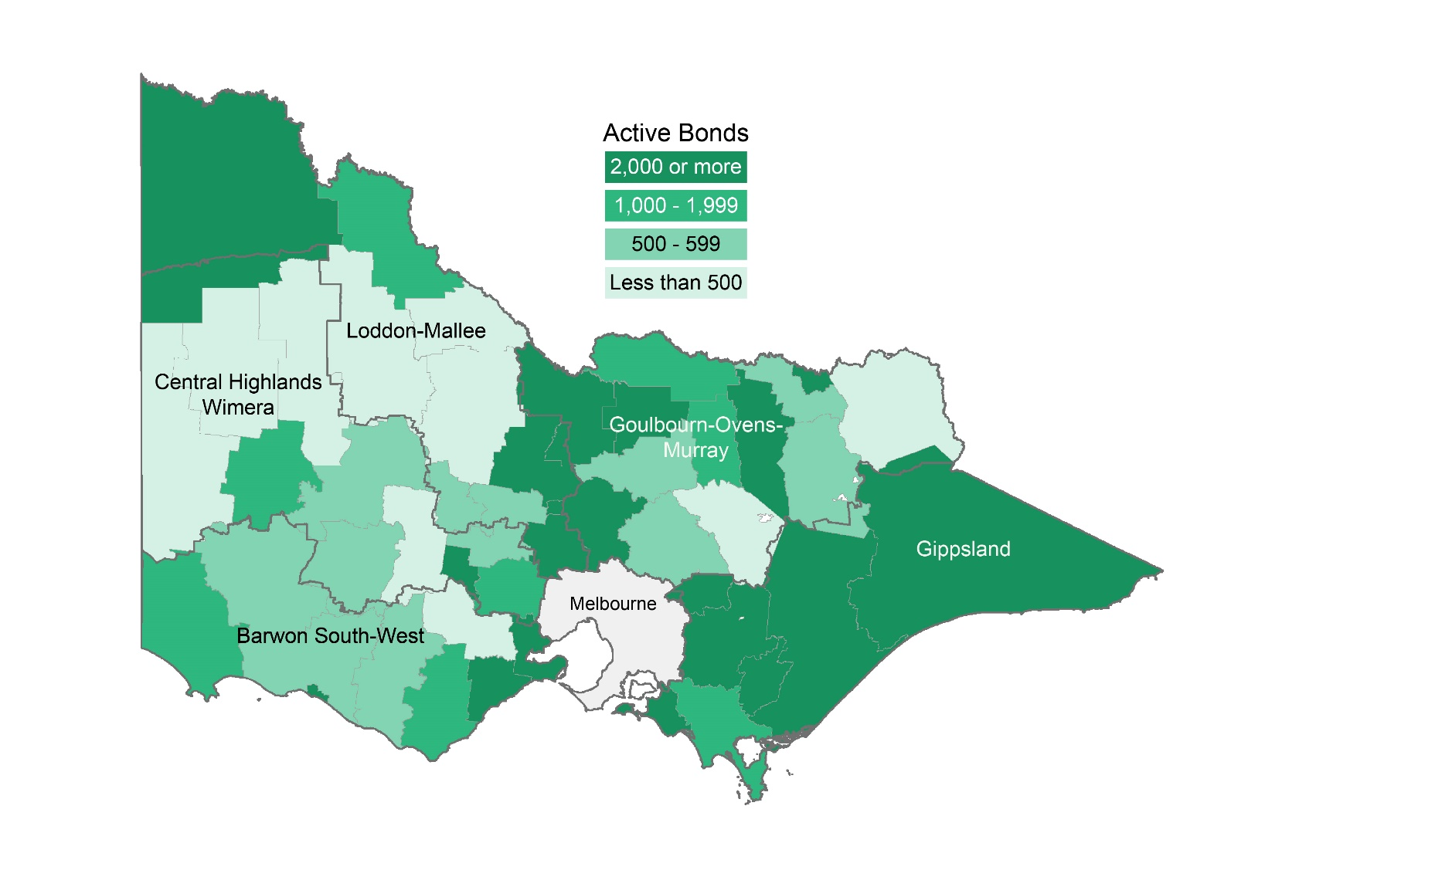
Figure 5b: Number of active bonds by local government area for Regional Victoria | Contents page

Figure 6
Figure 6: Lending to household investors in residential housing, Victoria | Contents page | Source data

 | Lending to investors ($m) | Investor share of all housing loans (%)
Mar-16 | 5,346 | 31.9%
Jun-16 | 6,056 | 34.3%
Sep-16 | 6,756 | 36.6%
Dec-16 | 7,221 | 37.8%
Mar-17 | 7,164 | 37.9%
Jun-17 | 7,437 | 36.6%
Sep-17 | 7,308 | 34.1%
Dec-17 | 6,682 | 32.3%
Mar-18 | 5,882 | 31.3%
Jun-18 | 5,840 | 30.5%
Sep-18 | 5,678 | 30.0%
Dec-18 | 4,871 | 29.0%
Mar-19 | 4,139 | 28.2%
Jun-19 | 4,337 | 28.3%
Sep-19 | 4,887 | 28.6%
Dec-19 | 5,085 | 27.8%
Mar-20 | 4,687 | 27.2%
Jun-20 | 4,477 | 26.5%
Sep-20 | 4,254 | 24.5%
Dec-20 | 4,330 | 22.2%
Mar-21 | 5,250 | 22.7%

Figure 7
Figure 7: Rental vacancy rate - trend | Contents page | Data source

 | Metropolitan Melbourne | Regional Victoria
Mar-16 | 0.028 | 0.029
Apr-16 | 0.026 | 0.029
May-16 | 0.026 | 0.029
Jun-16 | 0.025 | 0.028
Jul-16 | 0.025 | 0.026
Aug-16 | 0.024 | 0.025
Sep-16 | 0.024 | 0.024
Oct-16 | 0.023 | 0.024
Nov-16 | 0.023 | 0.024
Dec-16 | 0.023 | 0.024
Jan-17 | 0.023 | 0.024
Feb-17 | 0.022 | 0.025
Mar-17 | 0.022 | 0.024
Apr-17 | 0.021 | 0.024
May-17 | 0.021 | 0.023
Jun-17 | 0.021 | 0.023
Jul-17 | 0.021 | 0.022
Aug-17 | 0.022 | 0.021
Sep-17 | 0.022 | 0.020
Oct-17 | 0.022 | 0.019
Nov-17 | 0.021 | 0.019
Dec-17 | 0.021 | 0.018
Jan-18 | 0.020 | 0.018
Feb-18 | 0.020 | 0.017
Mar-18 | 0.019 | 0.016
Apr-18 | 0.019 | 0.015
May-18 | 0.019 | 0.015
Jun-18 | 0.020 | 0.014
Jul-18 | 0.020 | 0.013
Aug-18 | 0.021 | 0.013
Sep-18 | 0.021 | 0.012
Oct-18 | 0.022 | 0.012
Nov-18 | 0.023 | 0.012
Dec-18 | 0.023 | 0.011
Jan-19 | 0.023 | 0.012
Feb-19 | 0.022 | 0.012
Mar-19 | 0.022 | 0.013
Apr-19 | 0.022 | 0.014
May-19 | 0.021 | 0.015
Jun-19 | 0.021 | 0.015
Jul-19 | 0.022 | 0.016
Aug-19 | 0.022 | 0.016
Sep-19 | 0.022 | 0.016
Oct-19 | 0.022 | 0.017
Nov-19 | 0.022 | 0.018
Dec-19 | 0.022 | 0.019
Jan-20 | 0.023 | 0.020
Feb-20 | 0.025 | 0.020
Mar-20 | 0.028 | 0.020
Apr-20 | 0.031 | 0.019
...

Figure 8
Figure 8: Affordable rentals as percent of all rentals, Victoria | Contents page | Data source

 | Regional Victoria | Victoria | Metropolitan Melbourne
Mar-16 | 55.9% | 15.9% | 6.6%
Jun-16 | 59.2% | 19.2% | 8.2%
Sep-16 | 59.7% | 18.0% | 7.7%
Dec-16 | 56.5% | 17.3% | 7.3%
Mar-17 | 54.7% | 14.9% | 5.8%
Jun-17 | 57.7% | 17.1% | 6.5%
Sep-17 | 55.9% | 15.5% | 6.0%
Dec-17 | 53.8% | 15.4% | 6.0%
Mar-18 | 51.3% | 13.1% | 4.8%
Jun-18 | 53.6% | 15.5% | 6.2%
Sep-18 | 51.7% | 13.9% | 5.6%
Dec-18 | 47.2% | 13.2% | 5.4%
Mar-19 | 45.2% | 11.8% | 5.1%
Jun-19 | 44.7% | 13.2% | 5.9%
Sep-19 | 46.8% | 14.2% | 7.3%
Dec-19 | 43.6% | 13.9% | 7.1%
Mar-20 | 40.5% | 11.5% | 5.8%
Jun-20 | 47.0% | 16.1% | 8.7%
Sep-20 | 42.2% | 14.6% | 7.8%
Dec-20 | 35.1% | 11.5% | 7.1%
Mar-21 | 31.7% | 9.4% | 5.9%

Figure 9b
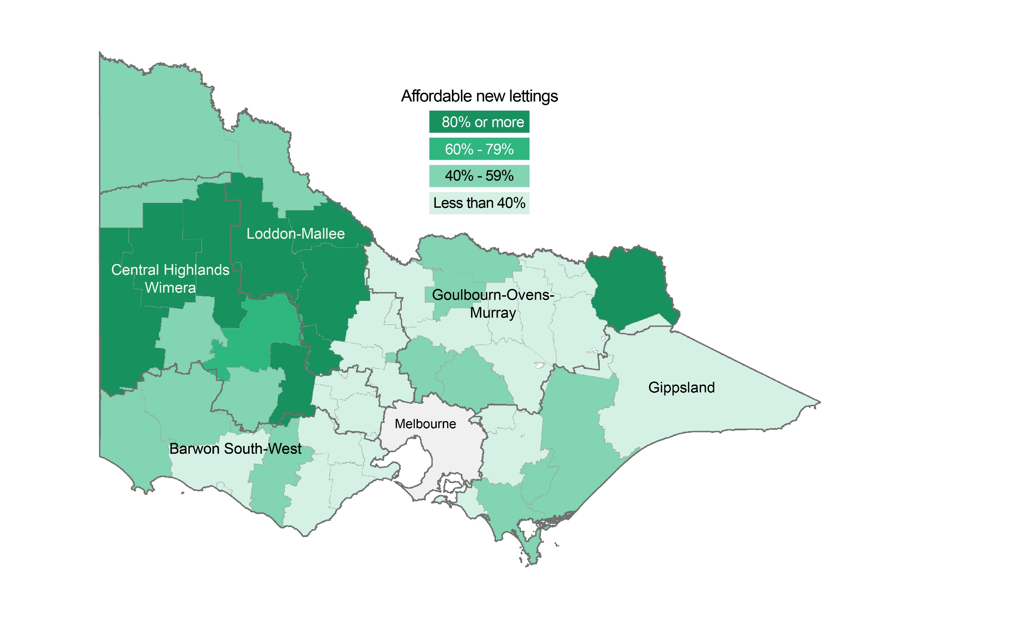
Figure 9b: Affordable dwellings in regional Victoria by local government area | Contents page

