Figure 1
Figure 1: Metropolitan Rent Index and Regional Rent Index - annual percent change | Contents page | Data source

 | Metropolitan Rent Index (MRI) | Regional Rental Index (RRI) | Long term average MRI | Long term average RRI
Sep-2006 | 5.6% | 4.7% | 5.0% | 4.1%
Dec-2006 | 7.3% | 4.2% | 5.0% | 4.1%
Mar-2007 | 9.9% | 4.6% | 5.0% | 4.1%
Jun-2007 | 10.8% | 6.2% | 5.0% | 4.1%
Sep-2007 | 12.6% | 6.1% | 5.0% | 4.1%
Dec-2007 | 12.4% | 4.4% | 5.0% | 4.1%
Mar-2008 | 12.7% | 4.7% | 5.0% | 4.1%
Jun-2008 | 13.0% | 5.2% | 5.0% | 4.1%
Sep-2008 | 12.5% | 5.6% | 5.0% | 4.1%
Dec-2008 | 10.9% | 7.4% | 5.0% | 4.1%
Mar-2009 | 9.0% | 7.4% | 5.0% | 4.1%
Jun-2009 | 5.7% | 5.7% | 5.0% | 4.1%
Sep-2009 | 3.6% | 4.6% | 5.0% | 4.1%
Dec-2009 | 4.5% | 5.6% | 5.0% | 4.1%
Mar-2010 | 4.4% | 6.5% | 5.0% | 4.1%
Jun-2010 | 5.2% | 8.1% | 5.0% | 4.1%
Sep-2010 | 5.6% | 7.1% | 5.0% | 4.1%
Dec-2010 | 5.0% | 6.7% | 5.0% | 4.1%
Mar-2011 | 3.9% | 6.6% | 5.0% | 4.1%
Jun-2011 | 4.4% | 4.7% | 5.0% | 4.1%
Sep-2011 | 4.2% | 6.0% | 5.0% | 4.1%
Dec-2011 | 2.9% | 5.0% | 5.0% | 4.1%
Mar-2012 | 3.0% | 4.6% | 5.0% | 4.1%
Jun-2012 | 1.6% | 2.9% | 5.0% | 4.1%
Sep-2012 | 0.2% | 1.9% | 5.0% | 4.1%
Dec-2012 | 0.5% | 1.5% | 5.0% | 4.1%
Mar-2013 | 1.3% | 0.8% | 5.0% | 4.1%
Jun-2013 | 1.6% | 1.2% | 5.0% | 4.1%
Sep-2013 | 2.1% | 1.8% | 5.0% | 4.1%
Dec-2013 | 2.4% | 2.0% | 5.0% | 4.1%
Mar-2014 | 1.8% | 1.7% | 5.0% | 4.1%
Jun-2014 | 1.6% | 3.7% | 5.0% | 4.1%
Sep-2014 | 2.4% | 2.4% | 5.0% | 4.1%
Dec-2014 | 1.9% | 1.2% | 5.0% | 4.1%
Mar-2015 | 2.1% | 2.2% | 5.0% | 4.1%
Jun-2015 | 2.3% | 0.9% | 5.0% | 4.1%
Sep-2015 | 2.8% | 2.8% | 5.0% | 4.1%
Dec-2015 | 3.0% | 2.9% | 5.0% | 4.1%
Mar-2016 | 3.3% | 2.3% | 5.0% | 4.1%
Jun-2016 | 3.6% | 2.4% | 5.0% | 4.1%
Sep-2016 | 3.6% | 1.7% | 5.0% | 4.1%

Figure 2
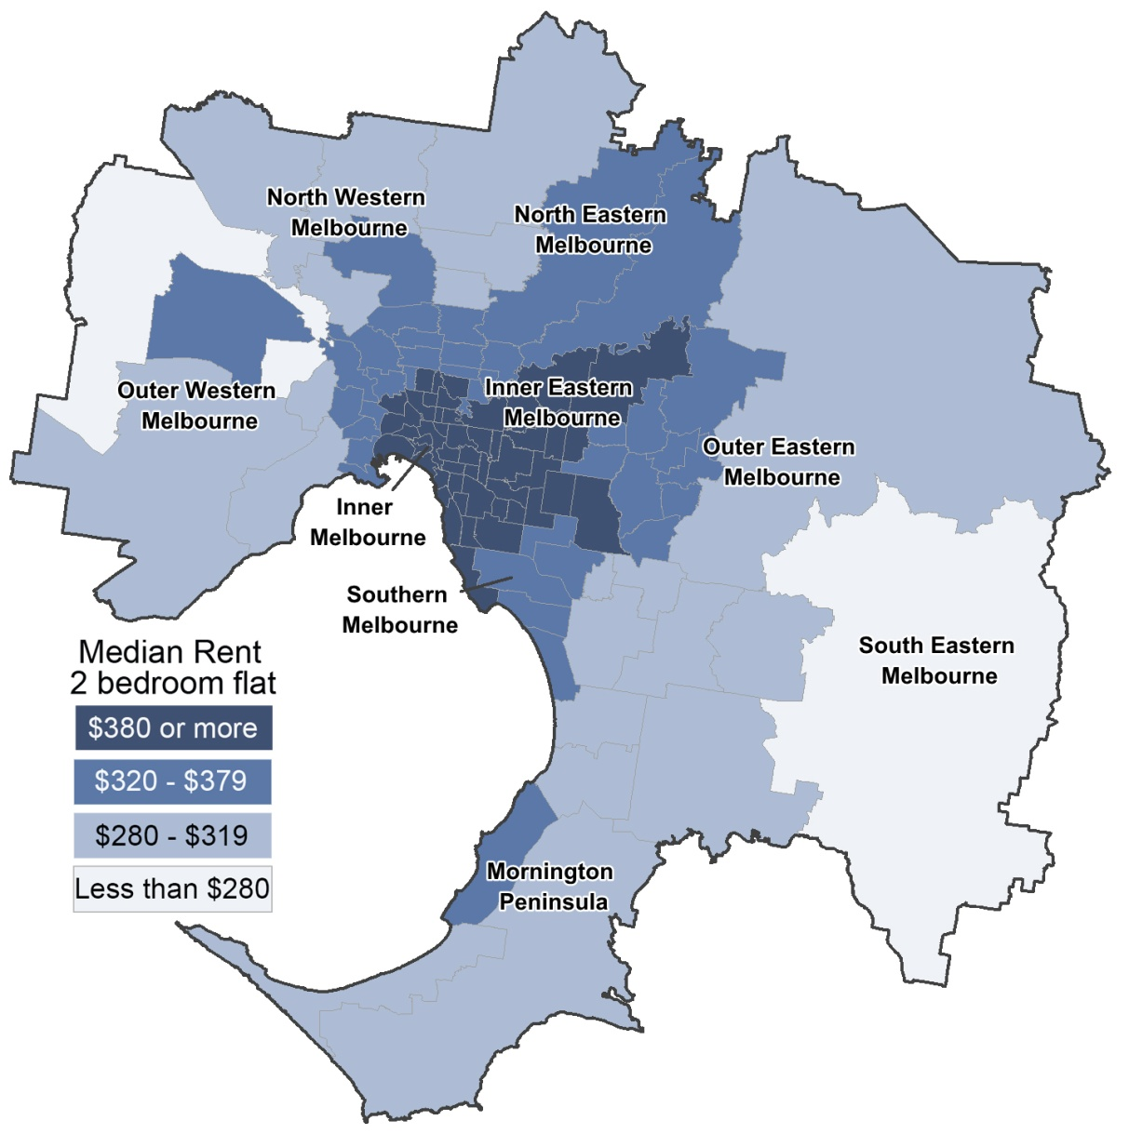
Figure 2: Moving annual median rents for 2 bedroom flats in metropolitan Melbourne | Contents page

Figure 3
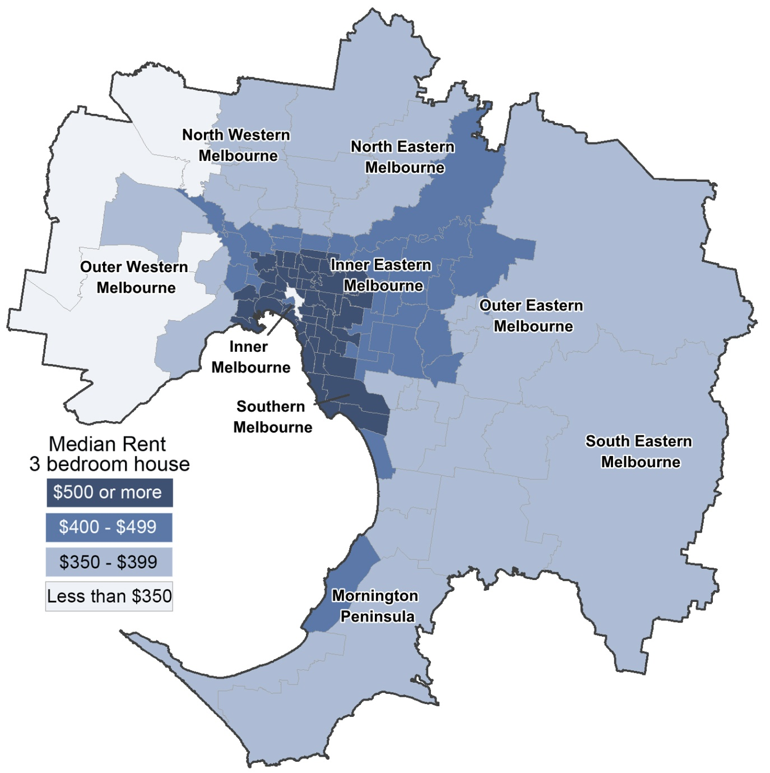
Figure 3: Moving annual median rents for 3 bedroom houses in metropolitan Melbourne | Contents page

Figure 4
Figure 4: Total Active Residential Bonds, Victoria - annual percentage change | Contents page | Data source

 | Annual % change | Average annual % change over past 5 years
Sep-11 | 6.2% | 5.7%
Dec-11 | 6.4% | 5.7%
Mar-12 | 7.5% | 5.7%
Jun-12 | 7.9% | 5.7%
Sep-12 | 7.7% | 5.7%
Dec-12 | 7.5% | 5.7%
Mar-13 | 6.9% | 5.7%
Jun-13 | 6.4% | 5.7%
Sep-13 | 5.9% | 5.7%
Dec-13 | 5.7% | 5.7%
Mar-14 | 5.4% | 5.7%
Jun-14 | 5.3% | 5.7%
Sep-14 | 5.1% | 5.7%
Dec-14 | 5.0% | 5.7%
Mar-15 | 4.9% | 5.7%
Jun-15 | 4.7% | 5.7%
Sep-15 | 4.6% | 5.7%
Dec-15 | 4.5% | 5.7%
Mar-16 | 4.6% | 5.7%
Jun-16 | 4.5% | 5.7%
Sep-16 | 4.0% | 5.7%

Figure 5a
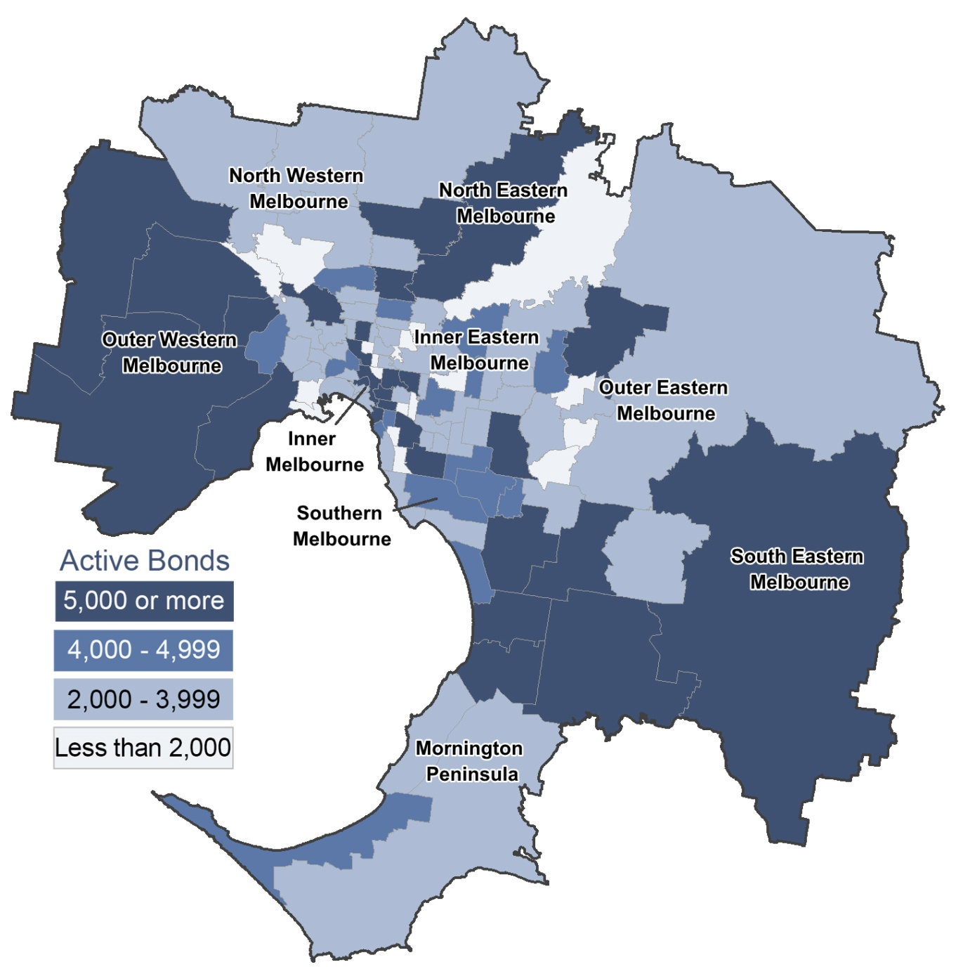
Figure 5a: Number of active bonds by suburb for metropolitan Melbourne | Contents page

Figure 5b
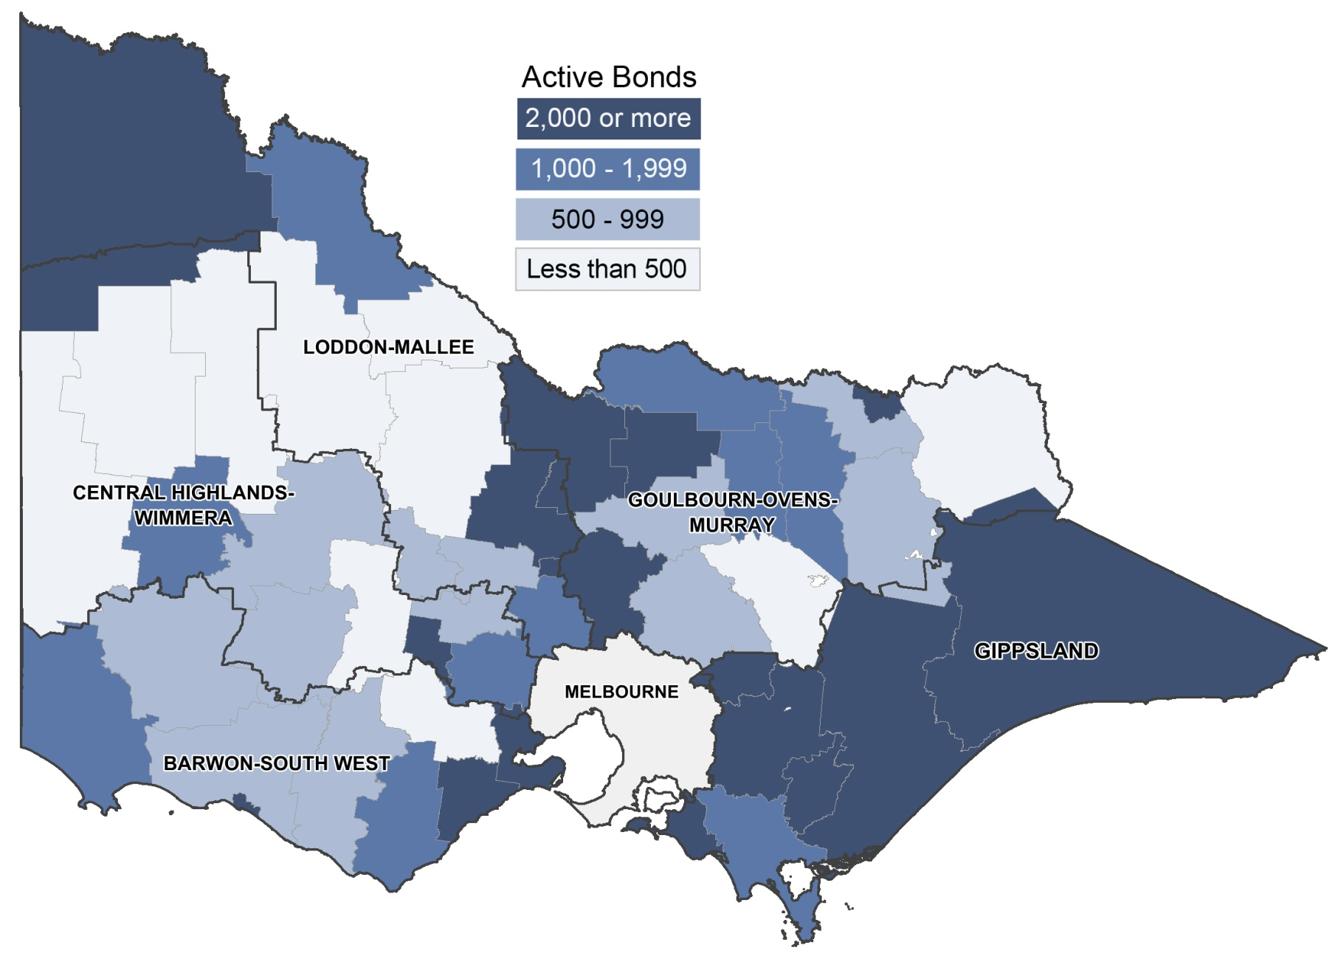
Figure 5b: Number of active bonds by local government area for Regional Victoria | Contents page

Figure 6
Figure 6: Lending to investors in residential housing, Victoria | Contents page | Source data

 | Lending to investors ($m) | Investor share of all housing loans (%)
Sep-11 | 6,919 | 29.5%
Dec-11 | 6,046 | 28.0%
Mar-12 | 5,801 | 28.2%
Jun-12 | 6,259 | 28.3%
Sep-12 | 6,379 | 28.1%
Dec-12 | 6,325 | 29.0%
Mar-13 | 6,378 | 29.9%
Jun-13 | 7,256 | 30.7%
Sep-13 | 8,174 | 32.3%
Dec-13 | 8,500 | 34.0%
Mar-14 | 8,354 | 35.0%
Jun-14 | 9,368 | 35.8%
Sep-14 | 10,171 | 36.2%
Dec-14 | 10,162 | 36.5%
Mar-15 | 10,269 | 37.3%
Jun-15 | 11,072 | 36.5%
Sep-15 | 9,850 | 30.4%
Dec-15 | 8,492 | 26.7%
Mar-16 | 8,547 | 27.9%
Jun-16 | 9,530 | 29.4%
Sep-16 | 9,918 | 30.3%

Figure 7
Figure 7: Rental vacancy rate - trend | Contents page | Data source

 | Metropolitan Melbourne | Regional Victoria
Sep-11 | 0.025 | 0.016
Oct-11 | 0.025 | 0.015
Nov-11 | 0.024 | 0.014
Dec-11 | 0.023 | 0.013
Jan-12 | 0.023 | 0.014
Feb-12 | 0.023 | 0.015
Mar-12 | 0.022 | 0.017
Apr-12 | 0.022 | 0.020
May-12 | 0.021 | 0.022
Jun-12 | 0.020 | 0.024
Jul-12 | 0.019 | 0.024
Aug-12 | 0.019 | 0.023
Sep-12 | 0.019 | 0.022
Oct-12 | 0.021 | 0.022
Nov-12 | 0.024 | 0.023
Dec-12 | 0.026 | 0.026
Jan-13 | 0.028 | 0.029
Feb-13 | 0.030 | 0.032
Mar-13 | 0.030 | 0.034
Apr-13 | 0.031 | 0.036
May-13 | 0.031 | 0.036
Jun-13 | 0.031 | 0.036
Jul-13 | 0.032 | 0.034
Aug-13 | 0.031 | 0.032
Sep-13 | 0.031 | 0.029
Oct-13 | 0.031 | 0.027
Nov-13 | 0.030 | 0.026
Dec-13 | 0.029 | 0.026
Jan-14 | 0.028 | 0.025
Feb-14 | 0.028 | 0.025
Mar-14 | 0.027 | 0.025
Apr-14 | 0.028 | 0.025
May-14 | 0.029 | 0.025
Jun-14 | 0.030 | 0.025
Jul-14 | 0.032 | 0.025
Aug-14 | 0.032 | 0.023
Sep-14 | 0.032 | 0.022
Oct-14 | 0.032 | 0.021
Nov-14 | 0.031 | 0.021
Dec-14 | 0.030 | 0.021
Jan-15 | 0.030 | 0.022
Feb-15 | 0.029 | 0.022
Mar-15 | 0.029 | 0.023
Apr-15 | 0.029 | 0.024
May-15 | 0.029 | 0.024
Jun-15 | 0.029 | 0.024
Jul-15 | 0.029 | 0.024
Aug-15 | 0.030 | 0.023
Sep-15 | 0.030 | 0.023
Oct-15 | 0.031 | 0.023
...

Figure 8
Figure 8: Affordable rentals as percent of all rentals, Victoria | Contents page | Data source

 | Regional Victoria | Victoria | Metropolitan Melbourne
Sep-11 | 57.10% | 20.7% | 10.40%
Dec-11 | 56.80% | 21.0% | 10.60%
Mar-12 | 54.90% | 19.1% | 9.60%
Jun-12 | 57.10% | 21.0% | 10.40%
Sep-12 | 60.10% | 22.2% | 12.00%
Dec-12 | 58.10% | 21.7% | 11.30%
Mar-13 | 56.10% | 18.8% | 9.30%
Jun-13 | 60.20% | 22.0% | 11.10%
Sep-13 | 60.50% | 20.9% | 10.10%
Dec-13 | 58.40% | 20.6% | 10.00%
Mar-14 | 56.30% | 17.9% | 8.20%
Jun-14 | 60.90% | 22.7% | 11.80%
Sep-14 | 62.90% | 20.9% | 10.10%
Dec-14 | 62.20% | 22.2% | 11.10%
Mar-15 | 59.50% | 18.4% | 8.50%
Jun-15 | 62.50% | 22.0% | 10.60%
Sep-15 | 60.70% | 19.6% | 9.00%
Dec-15 | 59.20% | 19.3% | 8.70%
Mar-16 | 56.00% | 15.9% | 6.60%
Jun-16 | 59.10% | 19.1% | 8.20%
Sep-16 | 59.60% | 17.8% | 7.60%

Figure 9a
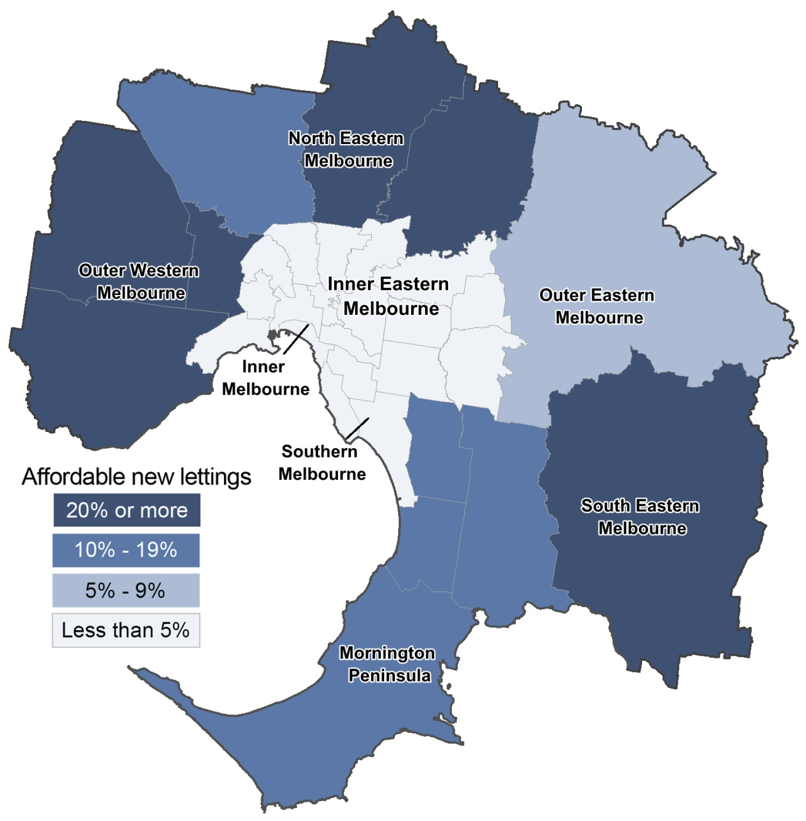
Figure 9a: Affordable dwellings in metropolitan Melbourne by local government area | Contents page

Figure 9b
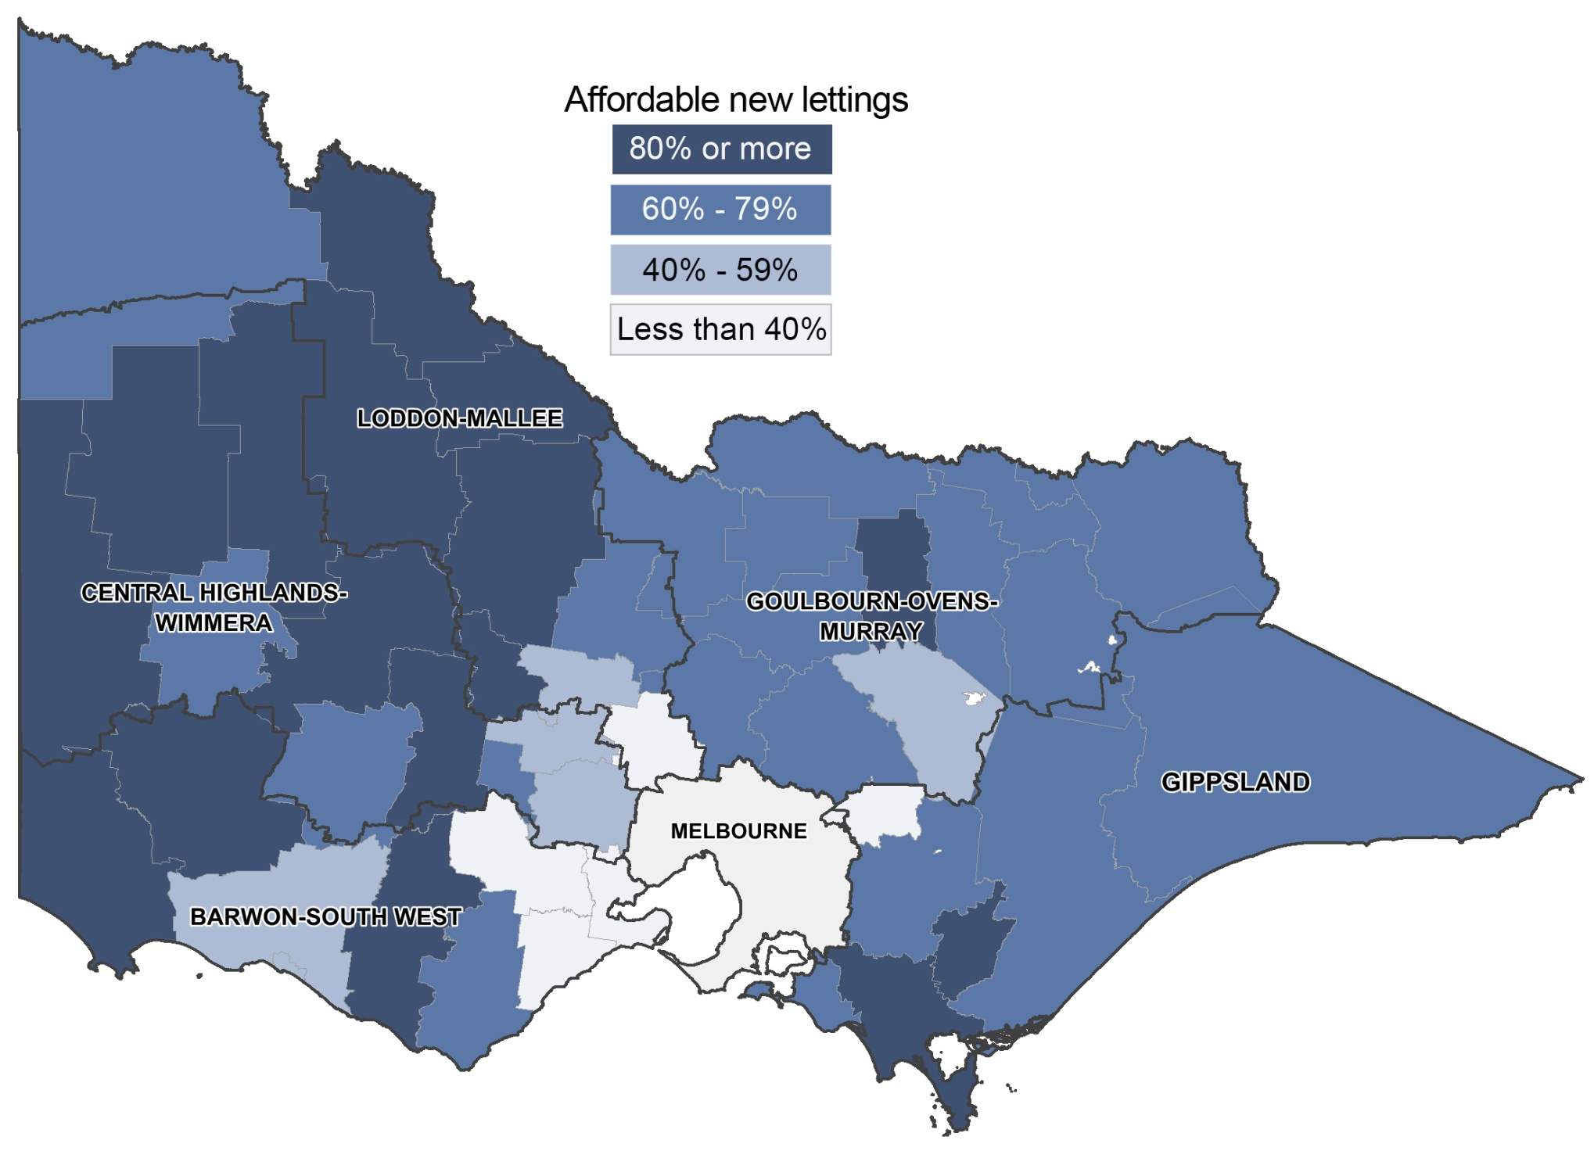
Figure 9b: Affordable dwellings in regional Victoria by local government area | Contents page

